Chartfone
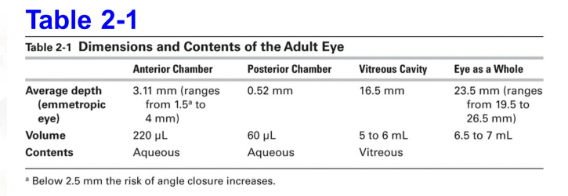
Parametros | 1 | 2 | 3 | 4 | 5 | 6
IOP | 30 | 30 | 30 | 30 | 30 | 30 | mmHg
FR | 25 | 30 | 35 | 40 | 45 | 50 | cc/min
VAC | 300 | 350 | 400 | 450 | 500 | 550 | mmHg
ACD | 2.6 | 2.85 | 3.1 | 3.35 | 3.57 | 4 | mm
WtW | 11.4 | 11.6 | 11.8 | 12 | 12.2 | 12.4 | mm
Densidad
Edad |  |  |  |  |  |  | Years
Volumen | 142 | 163 | 185 | 209 | 232 | 275 | µl
Var V secuencial |  | 15% | 14% | 13% | 11% | 18% | %
Var V puntual |  |  | 30% | 47% | 64% | 94% | %
Var V from average |  |  |  | 13% | 26% | 49% | %
Var FR secuencial |  | 20% | 17% | 14% | 13% | 11% | %
Var FR puntual |  |  | 40% | 60% | 80% | 100% | %
Var FR from average |  |  |  | 14% | 29% | 43% | %
Vol1/6

 | 25 | 30 | 35 | 40 | 45 | 50 |  | µl | 141.894221 | 162.7193805 | 185.1047335 | 209.1229293 | 232.4874869 | 275.0359648

 |  |  |  |  |  |  |  |  | Global metrics on ocular biometry: representative averages and standard deviations across ten countries from four continents

